forecast
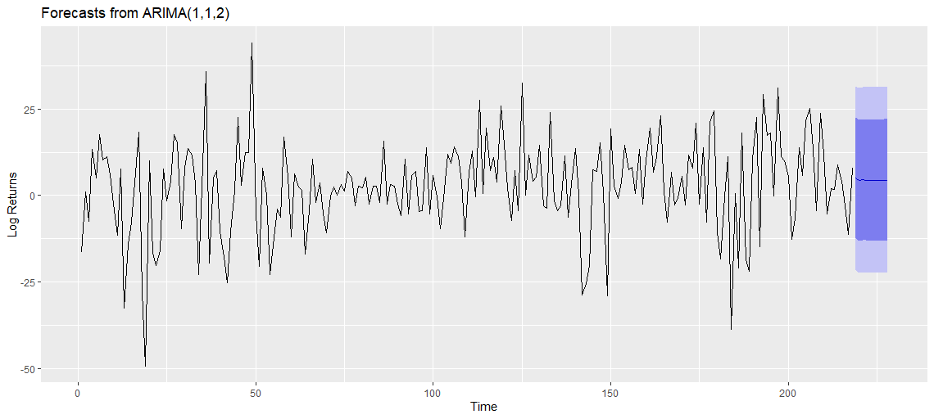
 | 52 Week High | 52 Week High

Forecast of Nvidia ARIMA(1,1,2) for T+10

log_returns_nvda_qcom
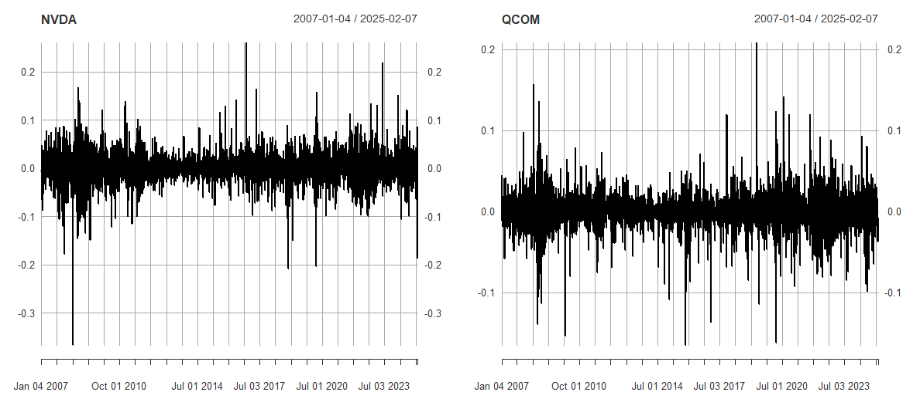
 | 52 Week High | 52 Week High

Log Returns of Nvidia and Qualcomm

ACF_PACF_QCOM
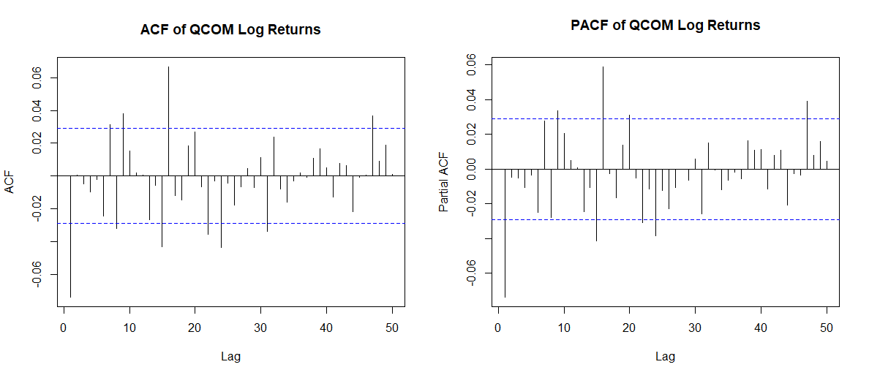
 | 52 Week High | 52 Week High

ACF/PACF Plots for Qualcomm Corp

ACF_PACF_NVDA
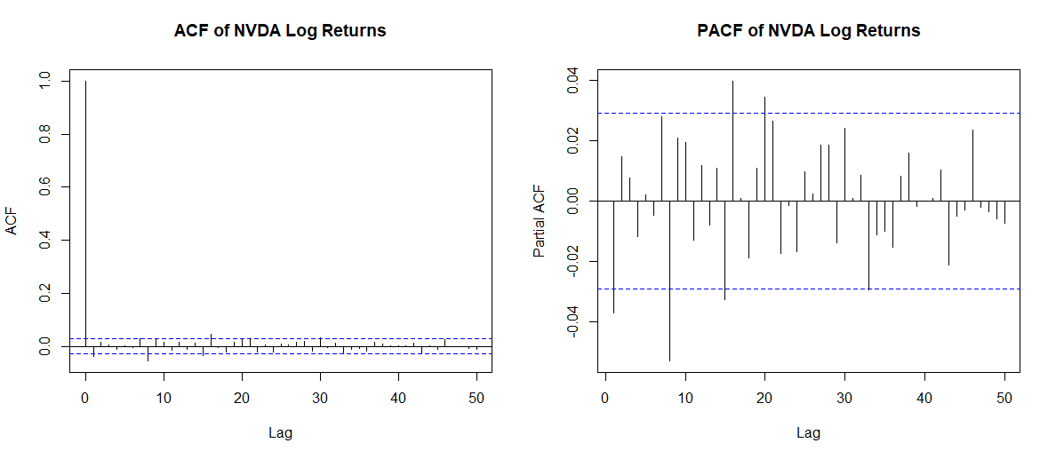
 | 52 Week High | 52 Week High

ACF/PACF Plots for Nvidia Corp

ACF White Noise
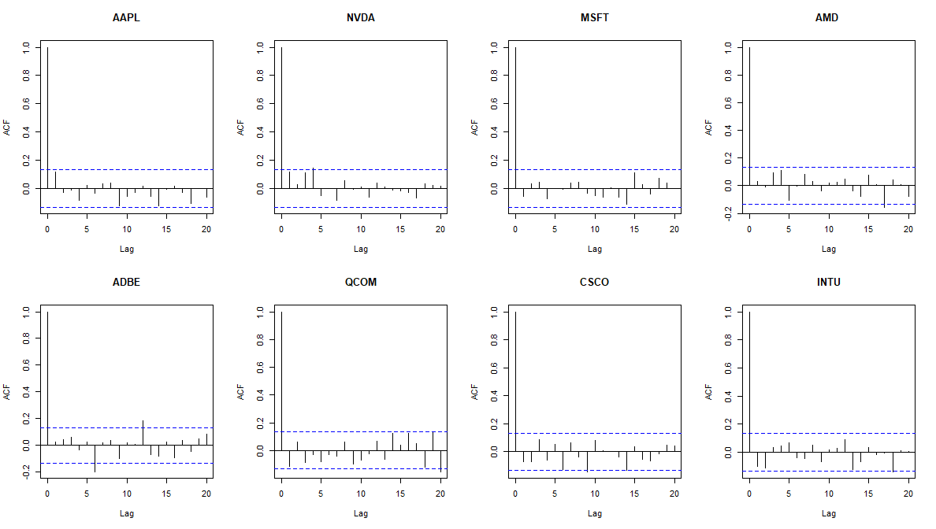
 | 52 Week High | 52 Week High

Autocorrelation Function Plots for Sample Securities

histogram returns
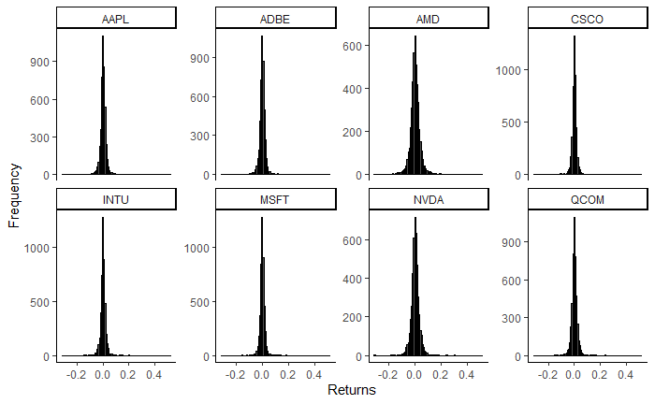
 | 52 Week High | 52 Week High

Distribution of Log Returns for Sample Securities

Comps Overview (6)
 |  | 52 Week High |  |  | 52 Week High

Jarque-Bera Statistical Test for Normality for Log Daily Returns

$$(S(x))$$
$$(K(x))$$
 | Company Name (Ticker) | Skewness | Kurtosis | t-statistics | p-values
$$(x^{2})$$

 | Apple Inc. (AAPL) | -0.11 | 5.96 | 6784.85 | 2.20E-16
 | NVIDIA Corp (NVDA) | 0.13 | 7.69 | 12052.68 | 2.20E-16
 | Microsoft Corp (MSFT) | 0.27 | 9.17 | 14325.07 | 2.20E-16
 | Qualcomm Inc. (QCOM) | 0.27 | 9.53 | 14733.69 | 2.20E-16
 | Adobe Inc. (ADBE) | -0.12 | 8.66 | 16759 | 2.20E-16
 | Advanced Micro Device (AMD) | 0.78 | 12.39 | 11128.07 | 2.20E-16
 | Cisco System Inc. (CSCO) | 0.22 | 11.56 | 28331.08 | 2.20E-16
 | Intuit Inc. (INTU) | 0.25 | 8.49 | 11128.07 | 2.20E-16

Comps Overview (5)
 |  | Market capitalization (mm) | Share price | 52 Week High |  |  | 52 Week High

Descriptive Statistics of Tech Stocks (Daily Simple Returns)

$$(μ_{x})$$
$$(σ_{x})$$
$$(S(x))$$
$$(K(x))$$
 | Company Name (Ticker) | Mean | Std Dev | Skewness | Kurtosis | Min | Max

 | Apple Inc. (AAPL) | 0.11 | 1.97 | -0.11 | 5.96 | 17.91% | 13.90%
 | NVIDIA Corp (NVDA) | 0.16 | 3.11 | 0.13 | 7.69 | -30.71% | 29.80%
 | Microsoft Corp (MSFT) | 0.07 | 1.76 | 0.27 | 9.17 | -14.73% | 18.60%
 | Qualcomm Inc. (QCOM) | 0.05 | 2.17 | 0.27 | 9.53 | -15.25% | 23.20%
 | Adobe Inc. (ADBE) | 0.07 | 2.16 | -0.12 | 8.66 | 19.03% | 17.71%
 | Advanced Micro Device (AMD) | 0.1 | 3.66 | 0.78 | 12.39 | -24.22% | 52.29%
 | Cisco System Inc. (CSCO) | 0.03 | 1.77 | 0.22 | 11.56 | 16.21% | 15.95%
 | Intuit Inc. (INTU) | 0.08 | 1.91 | 0.25 | 8.49 | 14.47% | 20.08%

